Sheet1
Pallet No | BRAND | Product | Test Standard | Expiration Date | Barcode | Case Quantity | No of Case | Total units | Picture | RRP | Total RRP | Weblink
1 | Shield | DC03 XXL Coveralls With Hood 40gsm Non Woven Polypropylene | Tested and inspected to PPE Directive 89/686/EEC | n.a | 5024951003687 | 50 | 29 | 1350 |  | £9.82 | £13,257.00 | Shield DC03
2 | Shield | DC03 XXL Coveralls With Hood 40gsm Non Woven Polypropylene | Tested and inspected to PPE Directive 89/686/EEC | n.a | 5024951003687 | 50 | 28 | 1400 |  | £9.82 | £13,748.00 | Shield DC03
2 | Shield | DC03 L Coveralls With Hood 40gsm Non Woven Polypropylene | Tested and inspected to PPE Directive 89/686/EEC | n.a | 5024951003649 | 50 | 4 | 100 |  | £9.82 | £982.00 | Shield DC03
3 | Hand Safe | GN70 XL Blue Hybrid Examination Gloves Vinyl and Nitrile | 93/42/EEC 89/686/EEC EN455 EN420 | Jul-19 | 5024951012184 | 900 | 1 | 900 | 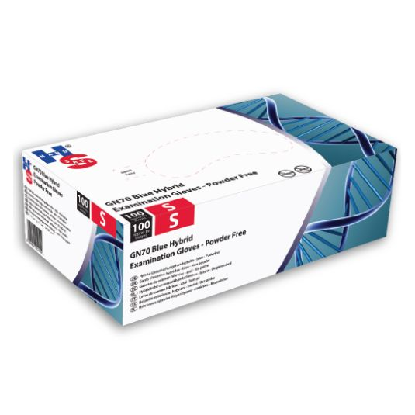 | £45.27 | £45.27 | GN70 XL Blue Hybrid Nitrile and Viynl
3 | Safe Don | GX8785 Nitrile Blue Examination Gloves XL | 93/42/EEC EN455 | Aug-18 | 5024951015451 | 2000 | 2 | 3750 | 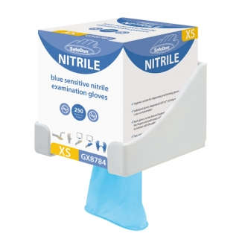 | £105.12 | £197.10 | GX8785 Nitrile Blue
3 | Shield EBA Blue | Blue Polythene Approns 27 x 42" | One time use | n.a | 5024951011323 | 1000 | 5 | 5000 |  | £55.40 | £277.00 | Blue Polythene Approns
3 | Swift | Processor II Medium Weight Natural Rubber Glove Size 6-6.5 | EN388 EN374-2 EN374-3 EN421 | n.a | 5010699025111 | 12 | 3 | 36 |  | £0.98 | £35.28 | Processor II
3 | Swift | Processor II Medium Weight Natural Rubber Glove Size 9-9.5 | EN388 EN374-2 EN374-3 EN421 | n.a | 5010699025111 | 12 | 6 | 72 |  | £0.98 | £70.56 | Processor II
3 | Swift | Swift Household Gloves XL | EN1186 EN388 EN374-3 EN374-2 | n.a | 5010699000095 | 144 | 5 | 720 | 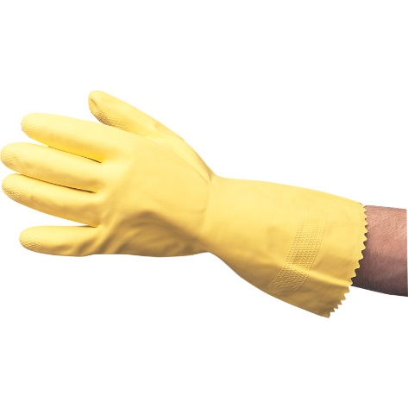 | £0.88 | £633.60 | Swift S07
3 | Swift | Swift Household Gloves M | EN1186 EN388 EN374-3 EN374-2 | n.a | 5010699000071 | 144 | 17 | 2448 |  | £0.88 | £2,154.24 | Swift S07
3 | Supertouch | Heavy Duty Supertouch Gauntlet | EN420 EN388 | n.a | 5036770139737 | 96 | 1 | 96 | 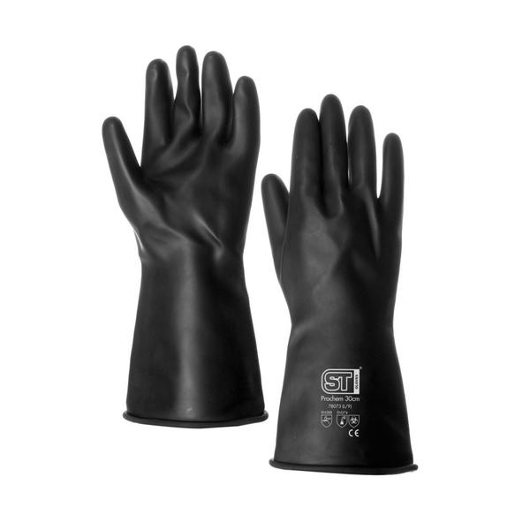 | £9.98 | £958.08 | Heavy Duty Supertouch

 |  |  |  |  |  | TOTAL |  | 15872 |  |  | £32,358.13

